SystemMainPage
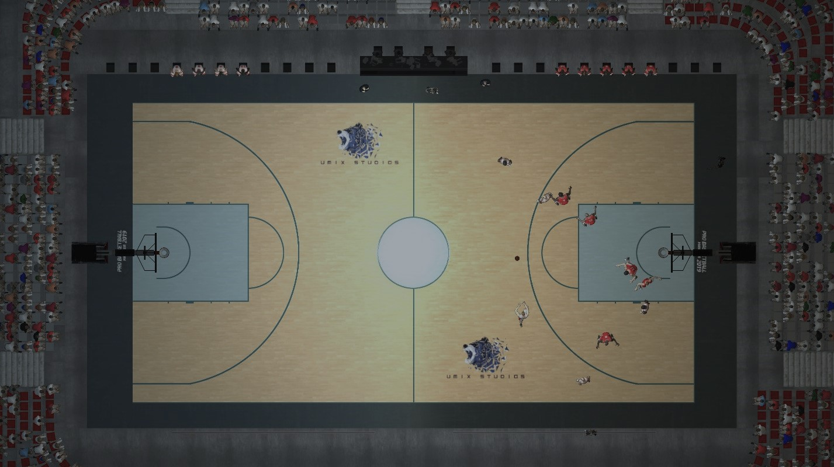

Basketball Manager System

Instruction
*Click on "ASSIGN PLAYER AND QUALIFICATION" button will shift to assign player & qualification sheet.
*Click on "MANAGER" button will shift to manager main page.

AssignPlayer&Qualification
Assign Player & Qualification

 | Player's Detials

 | Name: |  | Player ID : | *

 | IC No. : |  | Age:


 | Religion: |  | Gender:

 | Contact No. : |  | Race:

 | Country: |  | State:

 |  | Player's qualification

 | Height: |  | Size:

 | Skill Set: |  | Communication:

 | Mental Toughness: |  | Attitude:

 | Game Wins: |  | Grade:

Instruction
*Fill up the player's details information and their qualification in this field.

*Click on "Back" button to system main page the data will remain.

*To assign the player click on "Assign Player To Team" button, the data will submit to player's database, manage player's information and manager main page.

*To search the data please enter your "Player's ID" and click on "Search" button.

*To update the data please enter your "Player's ID" click on "Search" button enter the data you want to change lastly click on "Update Data" button.

*To check the Grade please enter your "Player's ID" and click on "Check Grade" button.

*Click on "Exit" button to system main page the data will delete in database.

* Reminder: Player's ID is required.

PlayersDatabase
Player's Information

 |  |  |  |  |  |  |  |  |  |  |  |  | Capabilities
No | Name | Player ID | IC No. | Age | Religion | Gender | Contact No. | Race | Country | State | Height | Size | Skill Set | Communication | Mental Toughness | Attitude | Game Win | Submitted on
1 | TANG YIN YIN | 277170 | 000221070310 | 22 | BUDDHISM | FEMALE | 0162216057 | CHINESE | MALAYSIA | PULAU PINANG | 170 | MEDIUM | 5 | 5 | 5 | 5 | 60 | 6/2/23
2 | CHAN YEE TENG | 277851 | 000509071122 | 22 | BUDDHISM | FEMALE | 1155836900 | CHINESE | MALAYSIA | PULAU PINANG | 160 | SMALL | 5 | 5 | 5 | 5 | 55 | 6/2/23
3 | CHEOK YOKE BOON | 286000 | 010101076566 | 21 | BUDDHISM | FEMALE | 0126030716 | CHINESE | MALAYSIA | SELANGOR | 157 | SMALL | 5 | 5 | 5 | 5 | 52 | 6/2/23
4 | JUNIE | 283165 | 000826075832 | 22 | BUDDHISM | FEMALE | 0123466789 | CHINESE | MALAYSIA | KELANTAN | 168 | MEDIUM | 5 | 5 | 5 | 5 | 68 | 6/2/23
5 | LIM WEI RU | 281732 | 000726070514 | 22 | BUDDHISM | FEMALE | 0187566544 | CHINESE | MALAYSIA | PERAK | 165 | MEDIUM | 5 | 5 | 5 | 5 | 80 | 6/2/23
6 | CHOW ZHENG HENG | 279017 | 000613148855 | 22 | BUDDHISM | MALE | 012-0657089 | CHINESE | MALAYSIA | MELAKA | 177 | MEDIUM | 4 | 4 | 4 | 5 | 45 | 6/2/23 | Instruction
7 | VALYN NG | 276433 | 000517074356 | 22 | BUDDHISM | FEMALE | 0198788653 | CHINESE | MALAYSIA | SARAWAK | 163 | MEDIUM | 4 | 3 | 3 | 2 | 30 | 6/2/23 | *This page only Manager can enter.
8 | NG KAI JIE | 233754 | 000314075413 | 23 | BUDDHISM | MALE | 0175784045 | CHINESE | MALAYSIA | PULAU PINANG | 174 | SMALL | 5 | 4 | 4 | 5 | 20 | 4/11/23
 |  |  |  |  |  |  |  |  |  |  |  |  |  |  |  |  |  |  | *If Manager want back to manager main page click on "Manager Main Page" button.

 |  |  |  |  |  |  |  |  |  |  |  |  |  |  |  |  |  |  | *If Manager want back to assign player and qualification page click on "Assign Player and Qualification" button.

 |  |  |  |  |  |  |  |  |  |  |  |  |  |  |  |  |  |  | *Click on "Exit" button to System Main Page.

ManagerMainPage
Manager Main Page

 |  |  |  |  |  |  |  |  |  |  |  |  | Capabilities
No | Name | Player ID | IC No. | Age | Religion | Gender | Contact No. | Race | Country | State | Height | Size | Skill Set | Communication | Mental Toughness | Attitude | Game Win | Submitted on | Grade | Total Capabilities Score | Status | Response Date | Grade | Game Win | Total Capabilities Score
1 | TANG YIN YIN | 277170 | 000221070310 | 22 | BUDDHISM | FEMALE | 0162216057 | CHINESE | MALAYSIA | PULAU PINANG | 170 | MEDIUM | 5 | 5 | 5 | 5 | 60 | 6/2/23 | A | 20 | Approved | 6/2/23 | A | >50 | 20
2 | CHAN YEE TENG | 277851 | 000509071122 | 22 | BUDDHISM | FEMALE | 1155836900 | CHINESE | MALAYSIA | PULAU PINANG | 160 | SMALL | 5 | 5 | 5 | 5 | 55 | 6/2/23 | A | 20 | Approved | 6/2/23 | B | 35-50 | 15-19
3 | CHEOK YOKE BOON | 286000 | 010101076566 | 21 | BUDDHISM | FEMALE | 0126030716 | CHINESE | MALAYSIA | SELANGOR | 157 | SMALL | 5 | 5 | 5 | 5 | 52 | 6/2/23 | A | 20 | Approved | 6/2/23 | C | 20-35 | 10-14
4 | JUNIE | 283165 | 000826075832 | 22 | BUDDHISM | FEMALE | 0123466789 | CHINESE | MALAYSIA | KELANTAN | 168 | MEDIUM | 5 | 5 | 5 | 5 | 68 | 6/2/23 | A | 20 | Approved | 6/2/23 | D | 10-20 | 5-9
5 | LIM WEI RU | 281732 | 000726070514 | 22 | BUDDHISM | FEMALE | 0187566544 | CHINESE | MALAYSIA | PERAK | 165 | MEDIUM | 5 | 5 | 5 | 5 | 80 | 6/2/23 | A | 20 | Approved | 6/2/23 | F | 1-10 | 0-4
6 | CHOW ZHENG HENG | 279017 | 000613148855 | 22 | BUDDHISM | MALE | 012-0657089 | CHINESE | MALAYSIA | MELAKA | 177 | MEDIUM | 4 | 4 | 4 | 5 | 45 | 6/2/23 | B | 17 | Rejected | 6/2/23
7 | VALYN NG | 276433 | 000517074356 | 22 | BUDDHISM | FEMALE | 0198788653 | CHINESE | MALAYSIA | SARAWAK | 163 | MEDIUM | 4 | 3 | 3 | 2 | 30 | 6/2/23 | C | 12 | Rejected | 6/2/23
8 | NG KAI JIE | 233754 | 000314075413 | 23 | BUDDHISM | MALE | 0175784045 | CHINESE | MALAYSIA | PULAU PINANG | 174 | SMALL | 5 | 4 | 4 | 5 | 20 | 4/11/23 | C | 18 | Rejected | 4/11/23 | Status | Approve Assign to Competition
 |  |  |  |  |  |  |  |  |  |  |  |  |  |  |  |  |  |  |  |  |  |  | Approved | Yes
 |  |  |  |  |  |  |  |  |  |  |  |  |  |  |  |  |  |  |  |  |  |  | Rejected | No

 |  |  |  |  |  |  |  |  |  |  |  |  |  |  |  |  |  |  |  |  |  |  |  | Instruction
 |  |  |  |  |  |  |  |  |  |  |  |  |  |  |  |  |  |  |  |  |  |  |  | *This page only Manager can enter.

 |  |  |  |  |  |  |  |  |  |  |  |  |  |  |  |  |  |  |  |  |  |  |  | *To approved or rejected player assign to competition status pleasekey-in password "12345" click 'ok', enter the item number click 'ok', to Approved click 'Yes' if Rejected click 'No'.

 |  |  |  |  |  |  |  |  |  |  |  |  |  |  |  |  |  |  |  |  |  |  |  | *If Manager want back to manage player's database click on "Player's Database" button.

 |  |  |  |  |  |  |  |  |  |  |  |  |  |  |  |  |  |  |  |  |  |  |  | *If Manager want to reset manager main page click on "Reset" button.

 |  |  |  |  |  |  |  |  |  |  |  |  |  |  |  |  |  |  |  |  |  |  |  | *Click on "Exit" button to System Main Page.

 |  |  |  |  |  |  |  |  |  |  |  |  |  |  |  |  |  |  |  |  |  |  |  | Number of players registered | 8
 |  |  |  |  |  |  |  |  |  |  |  |  |  |  |  |  |  |  |  |  |  |  |  | Number of players approved assign to competition | 5
 |  |  |  |  |  |  |  |  |  |  |  |  |  |  |  |  |  |  |  |  |  |  |  | Number of players rejected assign to competition | 3

 |  |  |  |  |  |  |  |  |  |  |  |  |  |  |  |  |  |  |  |  |  |  |  | Situation | Number of Student
 |  |  |  |  |  |  |  |  |  |  |  |  |  |  |  |  |  |  |  |  |  |  |  | Approved and assign to competition | 5
 |  |  |  |  |  |  |  |  |  |  |  |  |  |  |  |  |  |  |  |  |  |  |  | Rejected and assign to competition | 3
 |  |  |  |  |  |  |  |  |  |  |  |  |  |  |  |  |  |  |  |  |  |  |  | TOTAL | 8

Pivot Table
Total Capabilities Score | (All)

Count of Status | Column Labels
Row Labels | A | B | C | Grand Total
Approved | 5 |  |  | 5
Rejected |  | 1 | 1 | 2
Grand Total | 5 | 1 | 1 | 7

 | A | B | C
Approved | 5
Rejected |  | 1 | 1

